Report
 |  |  |  | Crystal Ball Report - Full
 |  |  |  | Simulation started on 11/01/2018 at 6:51 PM
 |  |  |  | Simulation stopped on 11/01/2018 at 6:51 PM

 | Run preferences:
 |  | Number of trials run | 500,000
 |  | Extreme speed
 |  | Monte Carlo
 |  | Random seed
 |  | Precision control on
 |  | Confidence level | 95.00%

 | Run statistics:
 |  | Total running time (sec) | 11.10
 |  | Trials/second (average) | 45,049
 |  | Random numbers per sec | 315,341

 | Crystal Ball data:
 |  | Assumptions | 7
 |  | Correlations | 1
 |  | Correlation matrices | 1
 |  | Decision variables | 0
 |  | Forecasts | 1

 |  |  |  | Forecasts

Worksheet: [Big Date 2018.xlsx]Sheet1

Forecast: Total |  |  |  |  |  |  | Cell: B12

 | Summary:
 |  | Certainty level is 85.5439%
 |  | Certainty range is from -∞ to 150.00
 |  | Entire range is from 78.74 to 196.17
 |  | Base case is 122.32
 |  | After 500,000 trials, the std. error of the mean is 0.02

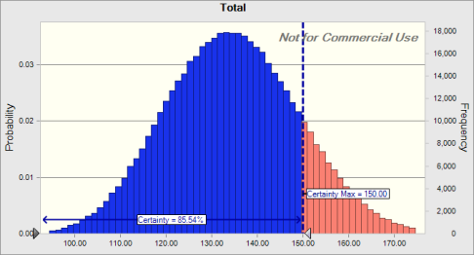

 | Statistics: |  | Forecast values
 |  | Trials | 500,000
 |  | Base Case | 122.32
 |  | Mean | 134.54
 |  | Median | 134.30
 |  | Mode | ---
 |  | Standard Deviation | 14.33
 |  | Variance | 205.25
 |  | Skewness | 0.0979
 |  | Kurtosis | 2.82
 |  | Coeff. of Variation | 0.1065
 |  | Minimum | 78.74
 |  | Maximum | 196.17
 |  | Range Width | 117.43
 |  | Mean Std. Error | 0.02

Forecast: Total (cont'd) |  |  |  |  |  |  | Cell: B12

 | Percentiles: |  | Forecast values
 |  | 0% | 78.74
 |  | 10% | 116.15
 |  | 20% | 122.14
 |  | 30% | 126.67
 |  | 40% | 130.60
 |  | 50% | 134.30
 |  | 60% | 138.02
 |  | 70% | 142.02
 |  | 80% | 146.75
 |  | 90% | 153.28
 |  | 100% | 196.17

End of Forecasts
 |  |  |  | Assumptions

Worksheet: [Big Date 2018.xlsx]Sheet1

Assumption: Appetizer |  |  |  |  |  |  | Cell: B6

 | Triangular distribution with parameters:
 |  | Minimum | 0.00 |  | (=D6)
 |  | Likeliest | 12.00 |  | (=E6)
 |  | Maximum | 30.00 |  | (=F6)

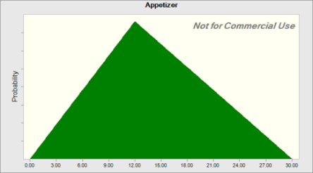

 | Correlated with: |  |  |  |  | Coefficient
 |  | Desserts (B9) |  |  |  | 0.49

Assumption: Chocolate |  |  |  |  |  |  | Cell: B5

 | Triangular distribution with parameters:
 |  | Minimum | 5.00 |  | (=D5)
 |  | Likeliest | 15.00 |  | (=E5)
 |  | Maximum | 25.00 |  | (=F5)
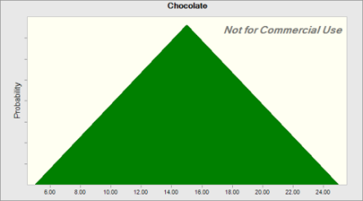

Assumption: Desserts |  |  |  |  |  |  | Cell: B9

 | Triangular distribution with parameters:
 |  | Minimum | 0.00 |  | (=D9)
 |  | Likeliest | 10.00 |  | (=E9)
 |  | Maximum | 15.00 |  | (=F9)

Assumption: Desserts (cont'd) |  |  |  |  |  |  | Cell: B9
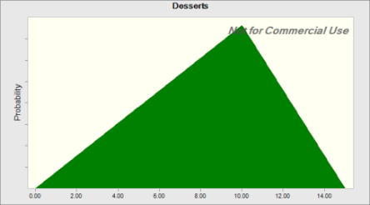

 | Correlated with: |  |  |  |  | Coefficient
 |  | Appetizer (B6) |  |  |  | 0.49

Assumption: Drinks |  |  |  |  |  |  | Cell: B8

 | Triangular distribution with parameters:
 |  | Minimum | 4.00 |  | (=D8)
 |  | Likeliest | 8.00 |  | (=E8)
 |  | Maximum | 16.00 |  | (=F8)

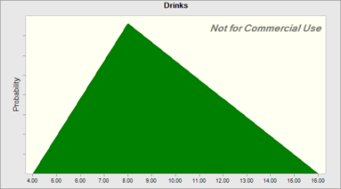

Assumption: E10 |  |  |  |  |  |  | Cell: E10

 | Triangular distribution with parameters:
 |  | Minimum | 0.17 |  | (=D10)
 |  | Likeliest | 0.18 |  | (=E10)
 |  | Maximum | 0.21 |  | (=F10)

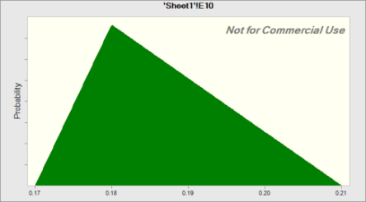

Assumption: Entrée |  |  |  |  |  |  | Cell: B7

 | Triangular distribution with parameters:
 |  | Minimum | 35.00 |  | (=D7)
 |  | Likeliest | 44.00 |  | (=E7)
 |  | Maximum | 65.00 |  | (=F7)


Assumption: Flowers |  |  |  |  |  |  | Cell: B4

 | Triangular distribution with parameters:
 |  | Minimum | 15.00 |  | (=D4)
 |  | Likeliest | 20.00 |  | (=E4)
 |  | Maximum | 40.00 |  | (=F4)
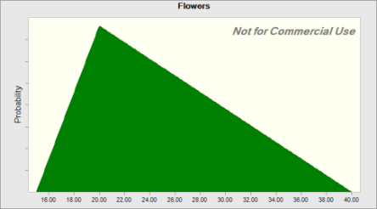

End of Assumptions
 |  |  |  | Sensitivity Charts



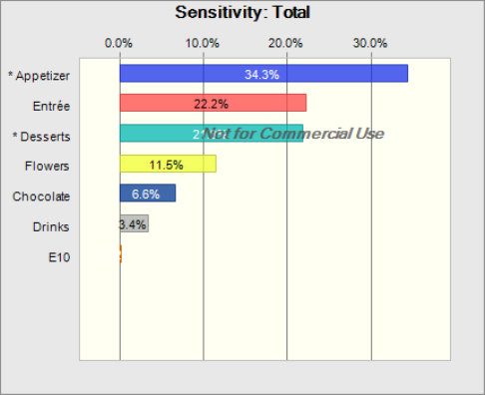

End of Sensitivity Charts

